Construction Gantt Chart
Gradution Project

Project: |  | Eye Tracking
Prof: |  | DR Aliaa

Construction Gantt Chart

 | START DATE | DURATION (Days)
literature review | 9/16/24 | 7
tools for game | 9/24/24 | 6
game | 12/15/24 | 16
linking the game with machine learning | 1/15/25 | 16
machine learning rehabilitation | 3/1/25 | 19
make project more advanced | 3/22/25 | 38
 |  | 0
 |  | 0
 |  | 0
 |  | 0
 |  | 0
 |  | 0
 |  | 0
 |  | 0
 |  | 0
Construction Activities |  |  | DURATION (Days)
START DATE | END DATE | DESCRIPTION
9/16/24 | 9/23/24 | literature review | 7
9/24/24 | 9/30/24 | tools for game | 6
12/15/24 | 1/1/25 | game | 16
1/15/25 | 2/1/25 | linking the game with machine learning | 16

3/1/25 | 3/20/25 | machine learning rehabilitation | 19
3/22/25 | 4/30/25 | make project more advanced | 38

Useful Tips
USEFUL TIPS
1 | When enteringactivity start and end dates in columns "C" and "D" use the following date format: DD/MM/YYYY
2 | To change colour of fill and text in cells, use HOME -> FONT tool palette.
3 | 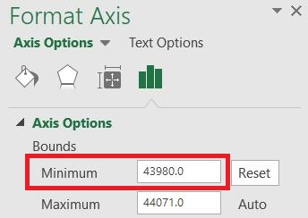 To change the start date shown on the gantt chart: Fotmat -> (Current Selection tab) Format Selection -> Axis Options -> Bound: Minimum -> Change value to a number that will be appropriate for your project start date. e.g. 43831 = 1/1/2020 44197 = 1/1/2021 44562 = 1/1/2022 .....

